Sheet1
Top Samsung Models by Revenue

 | Row Labels | Sum of Revenue ($)
 | Galaxy S23 5G | 2242308203.9
 | Galaxy Z Fold2 5G | 2253344206.4
 | Galaxy A14 5G | 2386603014.9
 | Galaxy A52 5G | 2595994545.8
 | Galaxy S22 5G | 2762722960.8
 | Grand Total | 12240972932

Revenue & Sales Trend Over Time

 | Row Labels | Sum of Revenue ($)
 | 2019 | 5607306562
 | Q1 | 1664567752.1
 | Q2 | 1206370910.9
 | Q3 | 1256432709
 | Q4 | 1479935190
 | 2020 | 5426482415.2
 | Q1 | 1566494760.5
 | Q2 | 1652354749.5
 | Q3 | 1084845500.4
 | Q4 | 1122787404.7
 | 2021 | 5127701555.7
 | Q1 | 1301516881.5
 | Q2 | 1500909704.2
 | Q3 | 1000834036.6
 | Q4 | 1324440933.4
 | 2022 | 4803942913.3
 | Q1 | 1277133906.6
 | Q2 | 1270425501.7
 | Q3 | 1099264289.3
 | Q4 | 1157119215.7
 | 2023 | 4172478016
 | Q1 | 1037095048.4
 | Q2 | 915454292.76
 | Q3 | 960109179.74
 | Q4 | 1259819495
 | 2024 | 5059420435.3
 | Q1 | 1425821119.6
 | Q2 | 1279375863.1
 | Q3 | 1336572200.1
 | Q4 | 1017651252.6
 | Grand Total | 30197331897

Regional Business Performance

 | Row Labels | Sum of Revenue ($) | Average of Market Share (%)
 | Asia-Pacific | 5685065892.9 | 3.6766101695
 | Europe | 5578138783.9 | 3.67625
 | Latin America | 6892401888.6 | 4.1135609756
 | Middle East & Africa | 5444651595.5 | 3.4444
 | North America | 6597073736.4 | 3.6938495575
 | Grand Total | 30197331897 | 3.72357

5G Compatible vs Non-5G Compatible Performance

 | Row Labels | Sum of Revenue ($)
 | No | 7802011068.2
 | Yes | 22395320829
 | Grand Total | 30197331897

Impact of 5G Coverage on Revenue

 | Row Labels | Average of Regional 5G Coverage (%)
 | Asia-Pacific | 69.691864407
 | Europe | 65.705989583
 | Latin America | 67.568195122
 | Middle East & Africa | 62.9942
 | North America | 68.532699115
 | Grand Total | 66.88972

 | Sum of Revenue ($) | Sum of Units Sold | Sum of Regional 5G Coverage (%) | Sum of 5G Subscribers (millions)
 | 30B | 33M | 67% | 30152M
 | 30B | 33M | 67% | 30152M

Dashboard
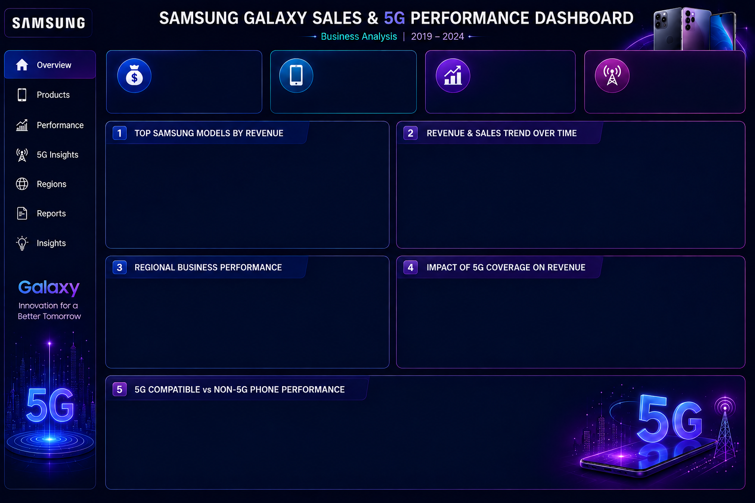

TOTAL REVENUE
UNITS SOLD
REGIONAL 5G COVERAGE
5G SUBSCRIBERS IN WORLD
33M
30152M
30B
67%

 | Total
Galaxy S23 5G | 2242308203.9
Galaxy Z Fold2 5G | 2253344206.4
Galaxy A14 5G | 2386603014.9
Galaxy A52 5G | 2595994545.8
Galaxy S22 5G | 2762722960.8
 | Total
Q1 | 1664567752.1
Q2 | 1206370910.9
Q3 | 1256432709
Q4 | 1479935190
Q1 | 1566494760.5
Q2 | 1652354749.5
Q3 | 1084845500.4
Q4 | 1122787404.7
Q1 | 1301516881.5
Q2 | 1500909704.2
Q3 | 1000834036.6
Q4 | 1324440933.4
Q1 | 1277133906.6
Q2 | 1270425501.7
Q3 | 1099264289.3
Q4 | 1157119215.7
Q1 | 1037095048.4
Q2 | 915454292.76
Q3 | 960109179.74
Q4 | 1259819495
Q1 | 1425821119.6
Q2 | 1279375863.1
Q3 | 1336572200.1
Q4 | 1017651252.6

 | Sum of Revenue ($) | Average of Market Share (%)
Asia-Pacific | 5685065892.9 | 3.6766101695
Europe | 5578138783.9 | 3.67625
Latin America | 6892401888.6 | 4.1135609756
Middle East & Africa | 5444651595.5 | 3.4444
North America | 6597073736.4 | 3.6938495575

 | Total
No | 7802011068.2
Yes | 22395320829
 | Total
Asia-Pacific | 69.691864407
Europe | 65.705989583
Latin America | 67.568195122
Middle East & Africa | 62.9942
North America | 68.532699115

Sheet2
